San Diego MSAs
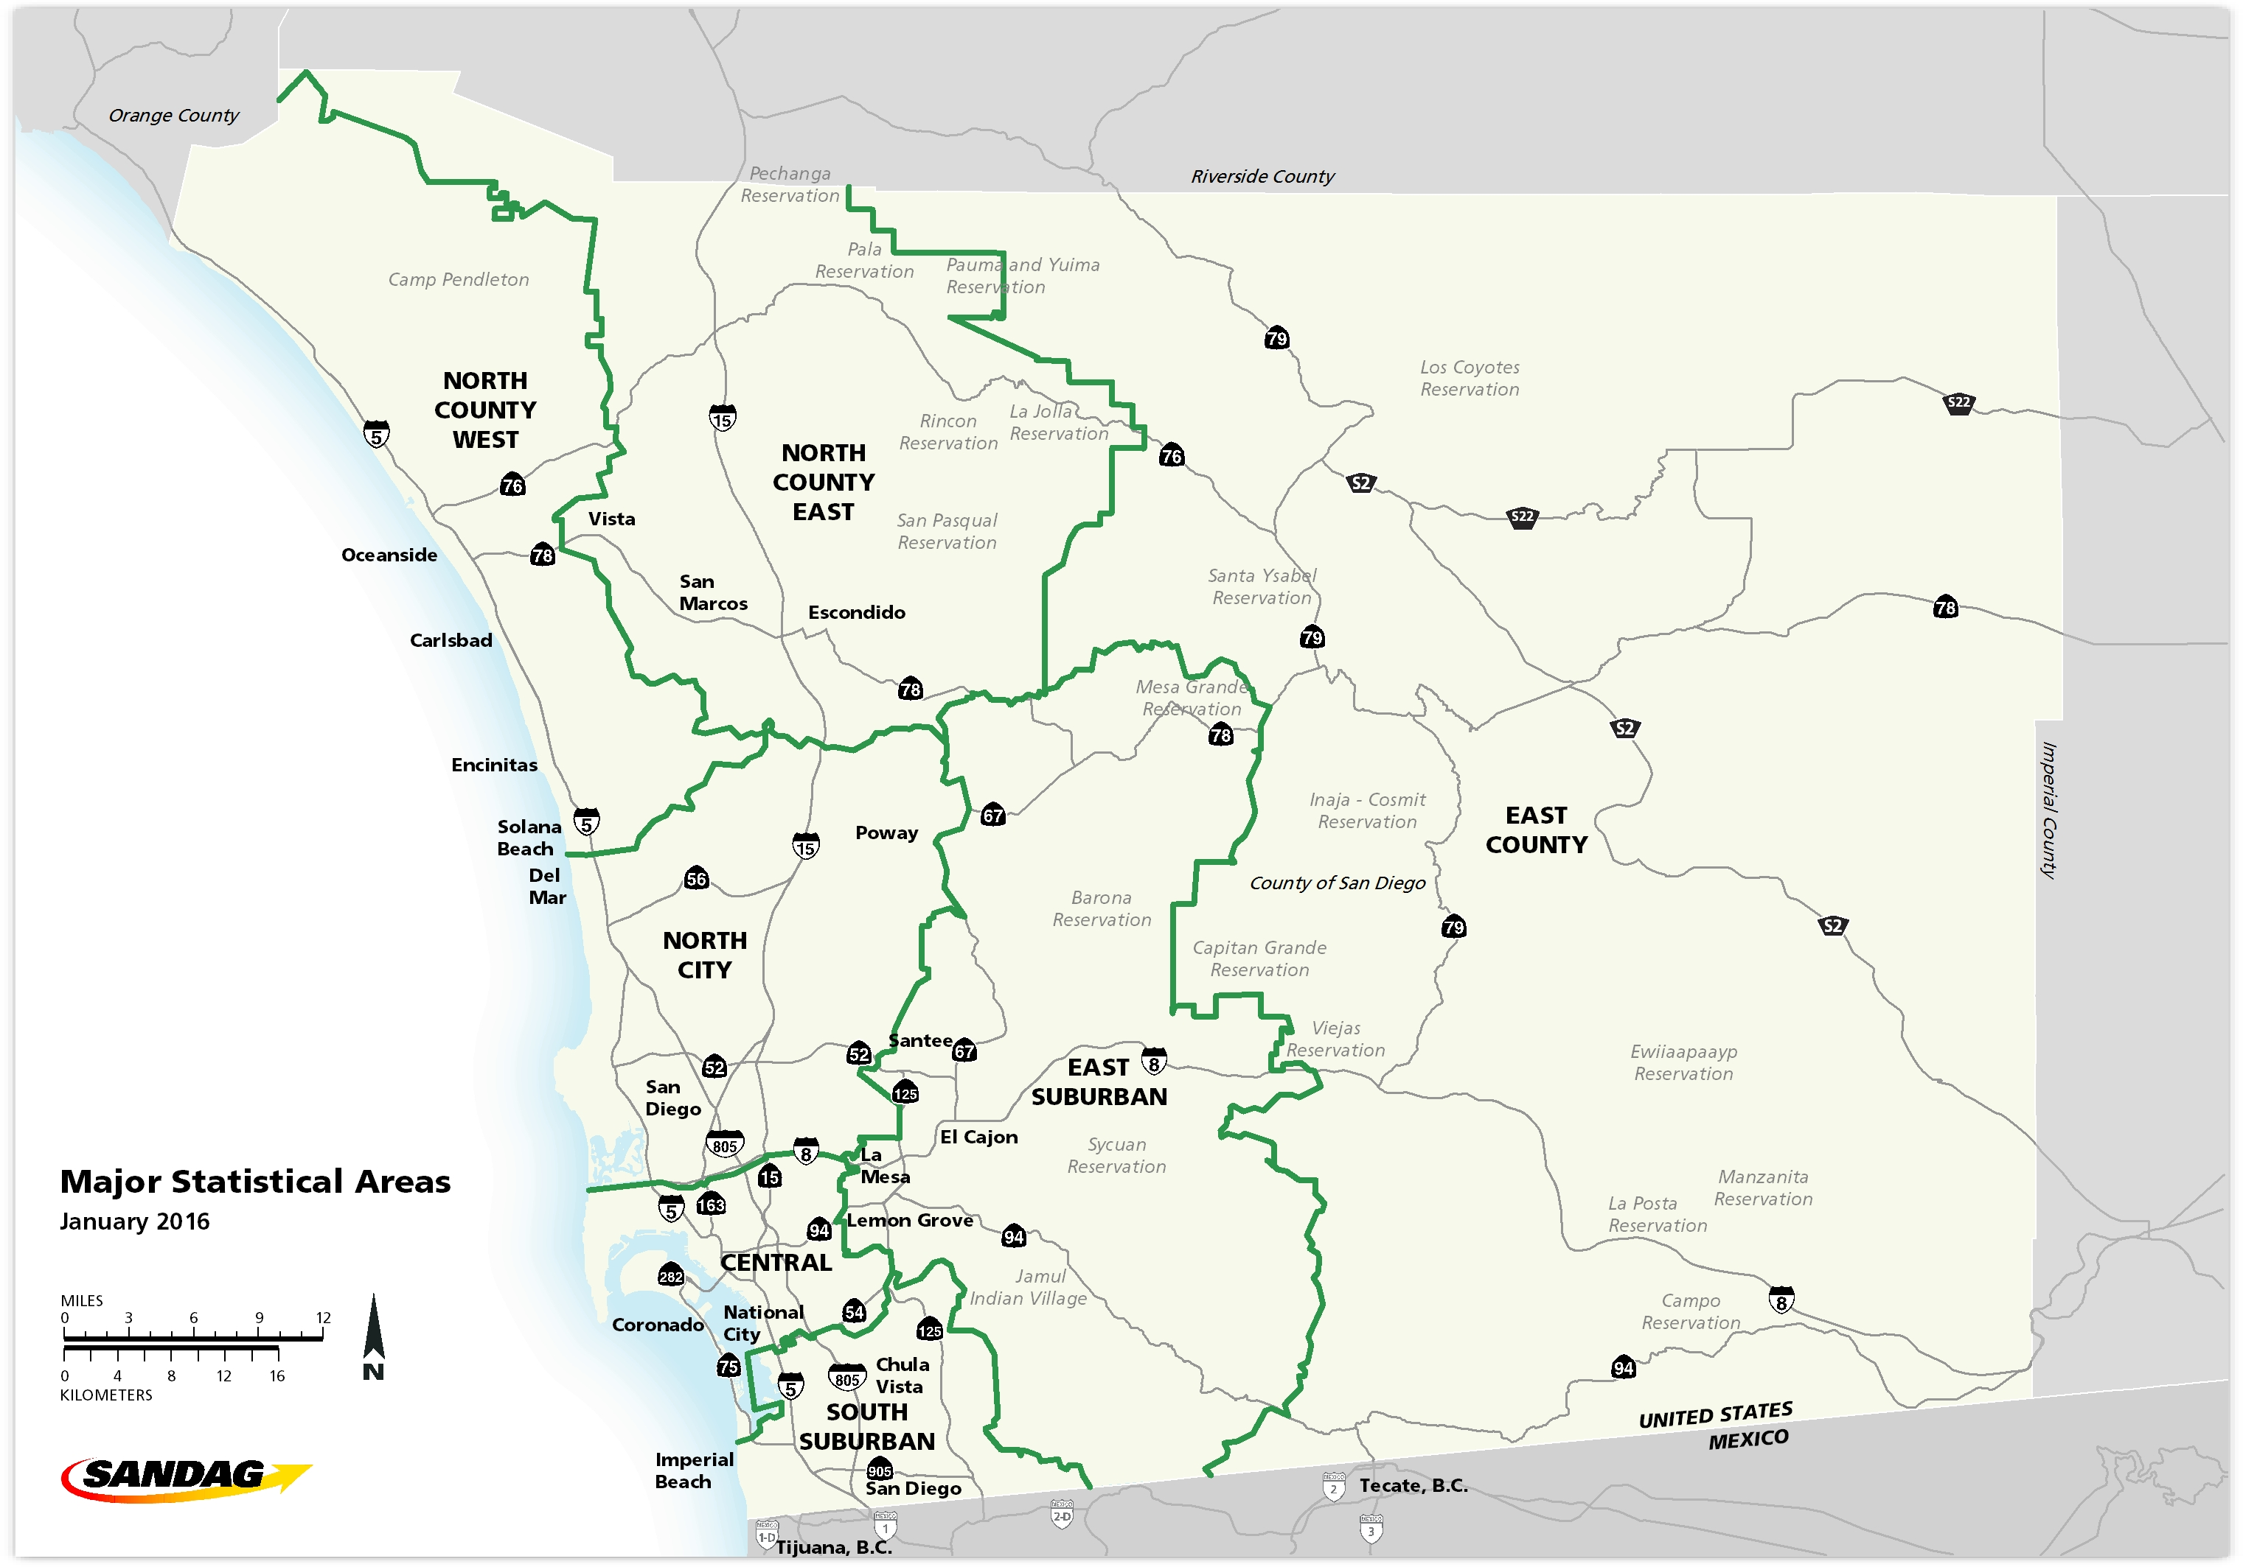

Bikeshare Utilization Data
 | Melbourne | Brisbane | London | Washington DC | Minneapolis | Seattle | Portland | New York | Boston | Denver | San Antonio
Ref. No. | [11] | [11] | [12] | [2] | [3] | [4] | [5] | [6], [7] | [8] | [9] | [10]

year | 2012 | 2012 | 2012 | 2011 | 2010 | 2017 | 2017 | 2017 | 2016 | 2016 | 2016
number of days | 365 | 365 | 365 | 365 | 365 | 180 | 365 | 150 | 365 | 365 | 365
regional population | 399,980 | 2,065,998 | 7,170,000 | 5,860,342 | 3,759,978 | 704,352 | 369,863 | 8,538,000 | 651,090 | 682,545 | 1,493,000 |  |  |  |  |  |  |  |  | [X-variable] | [Y-variable]
Bikeshare Utilization
population in coverage area [1] | 150,000 | 105,000 | 344,000 | 225,000 | 190,000 | 600,000 | 210,000 | 814,000 | 179,904 | 190,242 | 33,281 |  |  |  |  |  |  |  | City | Bikes/person | Trips/bike | SUMMARY OUTPUT -- ALL BIKESHARE SYSTEMS
annual members | 921 | 1,926 | 76,283 | 18,000 | 3,500 |  | 3,519 | 19,692 | 14,577 | 2,111 | 11,488 |  |  |  |  |  |  |  | Melbourne | 4.0 | 0.6
number of bikes | 600 | 1,800 | 8,000 | 1,800 | 1,325 | 1,200 | 464 | 9,242 | 1,800 | 800 | 500 |  |  |  |  |  |  |  | Brisbane | 17.1 | 0.3 | Regression Statistics
number of trips | 138,548 | 209,232 | 9,040,580 | 2,008,079 | 268,151 | 347,300 | 313,034 | 8,684,581 | 1,313,837 | 354,652 | 65,335 |  |  |  |  |  |  |  | London | 23.3 | 3.1 | Multiple R | 0.68024803266
average trip distance (miles) | 2.73 | 1.99 | 2.17 | 1.93 | 2.17 | 3.00 | 1.92 | 2.40 | 1.85 | 2.13 | 4.97 |  |  |  |  |  |  |  | Washington DC | 8.0 | 3.1 | R Square | 0.46273738594
car substitution | 19% | 21% | 2% | 7% | 19% |  | 26% | 12% |  | 47% |  |  |  |  |  |  |  |  | Minneapolis | 7.0 | 0.6 | Adjusted R Square | 0.36273738594
 |  |  |  |  |  |  |  |  |  |  |  |  |  |  |  |  |  |  | Seattle | 2.0 | 1.6 | Standard Error | 1.9474662467
signup rate (membership/population) | 0.23% | 0.09% | 1.06% | 0.31% | 0.09% | 0.00% | 0.95% | 0.23% | 2.24% | 0.31% | 0.77% |  |  |  |  |  |  |  | Portland | 2.2 | 1.9 | Observations | 11
signup rate (membership/pop in C.A.) | 1% | 2% | 22% | 8% | 2% | 0% | 2% | 2% | 8% | 1% | 35% |  |  |  |  |  |  |  | New York | 11.4 | 6.3
members per bike | 1.5 | 1.1 | 9.5 | 10.0 | 2.6 | 0.0 | 7.6 | 2.1 | 8.1 | 2.6 | 23.0 |  |  |  |  |  |  |  | Boston | 10.0 | 2.0 | ANOVA
persons per bike | 667 | 1148 | 896 | 3256 | 2838 | 587 | 798 | 924 | 362 | 853 | 2986 |  |  |  |  |  |  |  | Denver | 4.2 | 1.2 |  | df | SS | MS | F | Significance F
Bikes per 1000 persons in C.A | 4 | 17 | 23 | 8 | 7 | 2 | 2 | 11 | 10 | 4 | 15 |  |  |  |  |  |  |  | San Antonio | 15.0 | 0.4 | Regression | 1 | 32.665389914 | 32.665389914 | 8.6128715052 | 0.016627541982
average daily rides per bike | 0.6 | 0.3 | 3.1 | 3.1 | 0.6 | 1.6 | 1.9 | 6.3 | 2.0 | 1.2 | 0.4 |  |  |  |  |  |  |  |  |  |  | Residual | 10 | 37.926247818 | 3.7926247818
average daily rides per member | 0.412 | 0.298 | 0.325 | 0.306 | 0.210 |  | 0.244 | 2.940 | 0.247 | 0.460 | 0.016 |  |  |  |  |  |  |  |  |  |  | Total | 11 | 70.591637732
average daily trips | 380 | 573 | 24,769 | 5,502 | 735 | 1,929 | 858 | 57,897 | 3,600 | 972 | 179
total VMT reduction | 44,721 | 54,287 | 244,341 | 168,245 | 68,850 | - | 97,100 | 1,556,738 | - | 220,613 | - |  |  |  |  |  |  |  |  |  |  |  | Coefficients | Standard Error | t Stat | P-value | Lower 95% | Upper 95% | Lower 95.0% | Upper 95.0%
VMT reduction per bike | 74.5 | 30.2 | 30.5 | 93.5 | 52.0 |  | 209.5 | 168.4 |  | 275.8 | 0.0 |  |  |  |  |  |  |  |  |  |  | Intercept | 0 | #N/A | #N/A | #N/A | #N/A | #N/A | #N/A | #N/A
VMT reduction per trip | 0.32 | 0.26 | 0.03 | 0.08 | 0.26 |  | 0.31 | 0.18 |  | 0.62 | 0.00 |  |  |  |  |  |  |  |  |  |  | X Variable 1 | 0.15037187747 | 0.051238055305 | 2.9347694126 | 0.014918472944 | 0.036206375746 | 0.2645373792 | 0.036206375746 | 0.2645373792

 |  |  |  |  |  |  |  |  |  |  |  |  |  |  |  |  |  |  |  |  |  | SUMMARY OUTPUT -- US BIKESHARE SYSTEMS
 |  |  |  |  |  |  |  |  |  |  |  |  | intercept | 0
 |  |  |  |  |  |  |  |  |  |  |  |  | slope | 0.23 |  |  |  |  |  |  |  | Regression Statistics
 |  |  |  |  |  |  |  |  |  |  |  |  |  |  |  |  |  |  |  |  |  | Multiple R | 0.72397292902
 |  |  |  |  |  |  |  |  |  |  |  | Supply | 0 | 5 | 10 | 15 | 20 | 25 |  |  |  | R Square | 0.52413680195
 |  |  |  |  |  |  |  |  |  |  |  | Demand | 0 | 1.15 | 2.3 | 3.45 | 4.6 | 5.75 |  |  |  | Adjusted R Square | 0.38127965909
 |  |  |  |  |  |  |  |  |  |  |  |  |  |  |  |  |  |  |  |  |  | Standard Error | 2.0280789797
 |  |  |  |  |  |  |  |  |  |  |  |  |  |  |  |  |  |  |  |  |  | Observations | 8

 |  |  |  |  |  |  |  |  |  |  |  |  |  |  |  |  |  |  |  |  |  | ANOVA
 |  |  |  |  |  |  |  |  |  |  |  |  |  |  |  |  |  |  |  |  |  |  | df | SS | MS | F | Significance F
 |  |  |  |  |  |  |  |  |  |  |  |  |  |  |  |  |  |  |  |  |  | Regression | 1 | 31.712487065 | 31.712487065 | 7.7101100247 | 0.032136384752
 |  |  |  |  |  |  |  |  |  |  |  |  |  |  |  |  |  |  |  |  |  | Residual | 7 | 28.791730435 | 4.1131043479
 |  |  |  |  |  |  |  |  |  |  |  |  |  |  |  |  |  |  |  |  |  | Total | 8 | 60.5042175

 |  |  |  |  |  |  |  |  |  |  |  |  |  |  |  |  |  |  |  |  |  |  | Coefficients | Standard Error | t Stat | P-value | Lower 95% | Upper 95% | Lower 95.0% | Upper 95.0%
 |  |  |  |  |  |  |  |  |  |  |  |  |  |  |  |  |  |  |  |  |  | Intercept | 0 | #N/A | #N/A | #N/A | #N/A | #N/A | #N/A | #N/A
 |  |  |  |  |  |  |  |  |  |  |  |  |  |  |  |  |  |  |  |  |  | X Variable 1 | 0.23107544626 | 0.083219195423 | 2.7767084875 | 0.027427886112 | 0.034293318561 | 0.42785757395 | 0.034293318561 | 0.42785757395

